Cordon Map
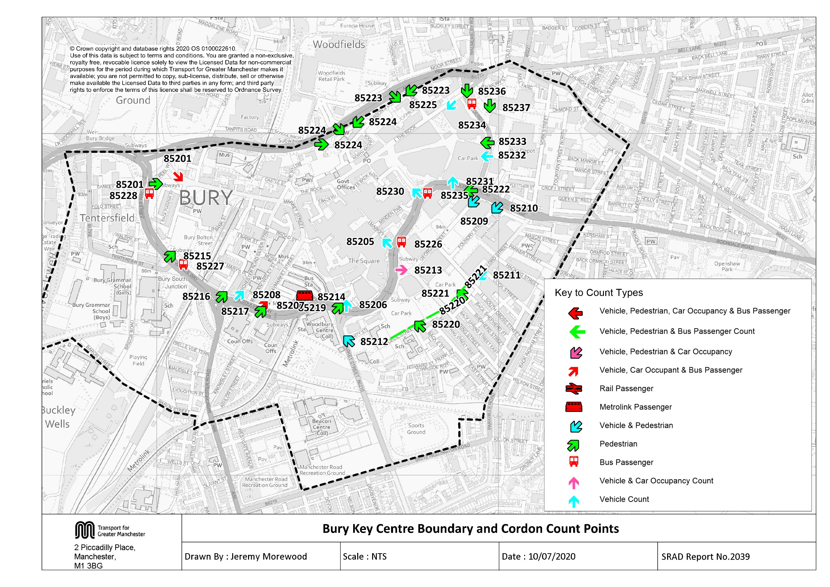

Tab 12 KC Traffic Trend
Table 12 Bury Key Centre Inbound Vehicles 1997, 1999, 2002, 2005, 2008, Feb 2010, Nov 2010, & 2011 - 2019
Time Period | Year | Cars | LGV | OGV | Buses | M/C | P/C | All | Time Period | Year | Cars | LGV | OGV | Buses | M/C | P/C | All
0730-0930 | 1997 | 3960 | 328 | 146 | 248 | 10 | 32 | 4724 | 1000-1200 | 1997 | 3551 | 332 | 149 | 265 | 13 | 15 | 4325
 | 1998 |  |  |  |  |  |  |  |  | 1998
 | 1999 | 3714 | 333 | 86 | 240 | 16 | 41 | 4430 |  | 1999 | 3504 | 357 | 105 | 240 | 9 | 11 | 4226
 | 2000 |  |  |  |  |  |  |  |  | 2000
 | 2001 |  |  |  |  |  |  |  |  | 2001
 | 2002 | 3733 | 293 | 69 | 237 | 23 | 18 | 4373 |  | 2002 | 3914 | 374 | 107 | 255 | 15 | 7 | 4672
 | 2003 |  |  |  |  |  |  |  |  | 2003
 | 2004 |  |  |  |  |  |  |  |  | 2004
 | 2005 | 3493 | 331 | 105 | 204 | 20 | 43 | 4196 |  | 2005 | 3551 | 394 | 86 | 222 | 9 | 21 | 4283
 | 2006 |  |  |  |  |  |  |  |  | 2006
 | 2007 |  |  |  |  |  |  |  |  | 2007
 | 2008 | 3693 | 320 | 128 | 211 | 24 | 70 | 4446 |  | 2008 | 3475 | 363 | 105 | 229 | 19 | 34 | 4225
 | 2009 |  |  |  |  |  |  |  |  | 2009
 | Feb-10 | 3286 | 281 | 99 | 192 | 8 | 65 | 3931 |  | Feb-10 | 3285 | 320 | 102 | 215 | 11 | 22 | 3955
 | Nov-10 | 3234 | 317 | 48 | 195 | 15 | 59 | 3868 |  | Nov-10 | 3554 | 351 | 82 | 214 | 8 | 33 | 4242
 | 2011 | 3367 | 242 | 71 | 197 | 15 | 63 | 3955 |  | 2011 | 3608 | 373 | 62 | 216 | 20 | 38 | 4317
 | 2012 | 3210 | 289 | 82 | 188 | 14 | 91 | 3874 |  | 2012 | 3677 | 312 | 74 | 210 | 6 | 37 | 4316
 | 2013 | 3146 | 284 | 52 | 181 | 11 | 90 | 3764 |  | 2013 | 3525 | 326 | 58 | 190 | 9 | 34 | 4142
 | 2014 | 3072 | 254 | 61 | 189 | 13 | 89 | 3678 |  | 2014 | 3672 | 313 | 85 | 210 | 13 | 51 | 4344
 | 2015 | 3117 | 241 | 64 | 193 | 13 | 78 | 3706 |  | 2015 | 3763 | 298 | 83 | 209 | 8 | 55 | 4416
 | 2016 | 3154 | 271 | 64 | 178 | 9 | 77 | 3753 |  | 2016 | 3621 | 302 | 96 | 191 | 9 | 41 | 4260
 | 2017 | 3390 | 275 | 67 | 185 | 9 | 89 | 4015 |  | 2017 | 3688 | 313 | 83 | 194 | 12 | 27 | 4317
 | 2018 | 3404 | 233 | 69 | 164 | 8 | 73 | 3951 |  | 2018 | 3941 | 319 | 75 | 173 | 9 | 30 | 4547
 | 2019 | 3328 | 238 | 61 | 139 | 6 | 35 | 3807 |  | 2019 | 3614 | 307 | 71 | 165 | 3 | 18 | 4178
 | 2019/1997 | 0.84 | 0.73 | 0.42 | 0.56 | 0.60 | 1.09 | 0.81 |  | 2019/1997 | 1.02 | 0.92 | 0.48 | 0.62 | 0.23 | 1.20 | 0.97
Bury Key Centre Inbound Vehicle Counts
 | 0730-0930 | 1000-1200 | 1600-1800
1997 | 4724 | 4325 | 3978
1998
1999 | 4430 | 4226 | 3626
2000
2001
2002 | 4373 | 4672 | 3780
2003
2004
2005 | 4196 | 4283 | 3442
2006
2007
2008 | 4446 | 4225 | 3596
2009
40210 | 3931 | 3955 | 3370
40483 | 3868 | 4242 | 3909
2011 | 3955 | 4317 | 3858
2012 | 3874 | 4316 | 3928
2013 | 3764 | 4142 | 4053
2014 | 3678 | 4344 | 3905
2015 | 3706 | 4416 | 4186
2016 | 3753 | 4260 | 3804
2017 | 4015 | 4317 | 4282
2018 | 3951 | 4547 | 4221
2019 | 3807 | 4178 | 3830
1600-1800 | 1997 | 3424 | 190 | 70 | 247 | 22 | 25 | 3978
 | 1998
 | 1999 | 3076 | 232 | 34 | 238 | 15 | 31 | 3626
 | 2000
 | 2001
 | 2002 | 3264 | 220 | 43 | 222 | 17 | 14 | 3780
 | 2003
 | 2004
 | 2005 | 2976 | 239 | 15 | 184 | 9 | 19 | 3442
 | 2006
 | 2007
 | 2008 | 3082 | 216 | 30 | 198 | 9 | 61 | 3596
 | 2009
 | Feb-10 | 2894 | 185 | 40 | 200 | 13 | 38 | 3370
 | Nov-10 | 3417 | 240 | 13 | 183 | 7 | 49 | 3909
 | 2011 | 3350 | 219 | 20 | 196 | 14 | 59 | 3858
 | 2012 | 3436 | 224 | 26 | 186 | 11 | 45 | 3928
 | 2013 | 3521 | 232 | 12 | 183 | 23 | 82 | 4053
 | 2014 | 3399 | 216 | 25 | 182 | 13 | 70 | 3905
 | 2015 | 3709 | 205 | 19 | 183 | 11 | 59 | 4186
 | 2016 | 3348 | 197 | 16 | 168 | 7 | 68 | 3804
 | 2017 | 3801 | 193 | 18 | 185 | 13 | 72 | 4282
 | 2018 | 3775 | 203 | 16 | 161 | 8 | 58 | 4221
 | 2019 | 3388 | 223 | 11 | 154 | 10 | 44 | 3830
 | 2019/1997 | 0.99 | 1.17 | 0.16 | 0.62 | 0.45 | 1.76 | 0.96

Table 17 KC Car&Non-carTrip
Table 17 shows the number of trips into the key centre cordon, calculated from vehicle numbers and occupancy levels.

Car and Non-Car Trips into Bury Key Centre 0730-0930
 | Car | Bus | Walk | Metro | Cycle
2002 | 5189 | 2684 | 1849 | 746 | 18
2003
2004
2005 | 4681 | 3917 | 1726 | 858 | 43
2006
2007
2008 | 4690 | 3631 | 2262 | 953 | 70
Feb-2010 | 4535 | 2759 | 3756 | 1069 | 65
Nov-2010 | 4528 | 2703 | 2109 | 1172 | 59
2011 | 4680 | 2706 | 2507 | 1292 | 63
2012 | 4526 | 2427 | 2276 | 1253 | 91
2013 | 4530 | 2788 | 2341 | 1236 | 90
2014 | 4371 | 2631 | 2269 | 1511 | 89
2015 | 4462 | 2269 | 2105 | 1189 | 78
2016 | 4448 | 2752 | 2226 | 1375 | 77
*2017 | 4803 | 2810 | 2663 | 1310 | 89
2018 | 4788 | 1863 | 2305 | 1480 | 73
2019 | 4667 | 2199 | 1794 | 1112 | 35
Table 17 Car and Non-Car Trips into Bury Key Centre
Time Period | Year | Car | Bus | Metro | Cycle | Walk | Total | % Car | % Non-Car
07:30-09:30 | 2002 | 5189 | 2684 | 746 | 18 | 1849 | 10486 | 49% | 51%
 | 2003
 | 2004
 | 2005 | 4681 | 3917 | 858 | 43 | 1726 | 11225 | 42% | 58%
 | 2006
 | 2007
 | 2008 | 4690 | 3631 | 953 | 70 | 2262 | 11606 | 40% | 60%
 | Feb-2010 | 4535 | 2759 | 1069 | 65 | 3756 | 12184 | 37% | 63%
 | Nov-2010 | 4528 | 2703 | 1172 | 59 | 2109 | 10571 | 43% | 57%
 | 2011 | 4680 | 2706 | 1292 | 63 | 2507 | 11248 | 42% | 58%
 | 2012 | 4526 | 2427 | 1253 | 91 | 2276 | 10573 | 43% | 57%
 | 2013 | 4530 | 2788 | 1236 | 90 | 2341 | 10985 | 41% | 59%
 | 2014 | 4371 | 2631 | 1511 | 89 | 2269 | 10871 | 40% | 60%
 | 2015 | 4462 | 2269 | 1189 | 78 | 2105 | 10103 | 44% | 56%
 | 2016 | 4448 | 2752 | 1375 | 77 | 2226 | 10879 | 41% | 59%
 | *2017 | 4803 | 2810 | 1310 | 89 | 2663 | 11617 | 41% | 59%
 | 2018 | 4788 | 1863 | 1480 | 73 | 2305 | 10509 | 46% | 54%
 | 2019 | 4667 | 2199 | 1112 | 35 | 1794 | 9807 | 48% | 52%
Car and Non-Car Trips into Bury Key Centre 10:00-12:00
 | Car | Bus | Walk | Metro | Cycle
2002 | 5675 | 2283 | 2642 | 493 | 7
2003
2004
2005 | 4794 | 2677 | 2676 | 513 | 21
2006
2007
2008 | 4726 | 3077 | 3801 | 672 | 34
Feb-2010 | 4698 | 2292 | 3704 | 671 | 22
Nov-2010 | 5189 | 2652 | 3876 | 764 | 33
2011 | 5304 | 3535 | 4300 | 959 | 38
2012 | 5442 | 2567 | 3535 | 876 | 37
2013 | 5217 | 2886 | 3935 | 929 | 34
2014 | 5503 | 2612 | 3811 | 747 | 51
2015 | 5479 | 2562 | 3717 | 860 | 55
2016 | 5252 | 2511 | 3703 | 891 | 41
*2017 | 5318 | 2450 | 3423 | 849 | 27
2018 | 5809 | 1960 | 3507 | 735 | 30
2019 | 5240 | 2086 | 2651 | 614 | 18
 | 2019/2002 | 0.90 | 0.82 | 1.49 | 1.94 | 0.97 | 0.94
10:00-12:00 | 2002 | 5675 | 2283 | 493 | 7 | 2642 | 11100 | 51% | 49%
 | 2003
 | 2004
 | 2005 | 4794 | 2677 | 513 | 21 | 2676 | 10681 | 45% | 55%
 | 2006
 | 2007
 | 2008 | 4726 | 3077 | 672 | 34 | 3801 | 12310 | 38% | 62%
 | Feb-2010 | 4698 | 2292 | 671 | 22 | 3704 | 11387 | 41% | 59%
 | Nov-2010 | 5189 | 2652 | 764 | 33 | 3876 | 12514 | 41% | 59%
 | 2011 | 5304 | 3535 | 959 | 38 | 4300 | 14136 | 38% | 62%
 | 2012 | 5442 | 2567 | 876 | 37 | 3535 | 12457 | 44% | 56%
 | 2013 | 5217 | 2886 | 929 | 34 | 3935 | 13001 | 40% | 60%
 | 2014 | 5503 | 2612 | 747 | 51 | 3811 | 12724 | 43% | 57%
 | 2015 | 5479 | 2562 | 860 | 55 | 3717 | 12673 | 43% | 57%
 | 2016 | 5252 | 2511 | 891 | 41 | 3703 | 12397 | 42% | 58%
 | *2017 | 5318 | 2450 | 849 | 27 | 3423 | 12127 | 44% | 56%
 | 2018 | 5809 | 1960 | 735 | 30 | 3507 | 12042 | 48% | 52%
 | 2019 | 5240 | 2086 | 614 | 18 | 2651 | 10609 | 49% | 51%
 | 2019/2002 | 0.92 | 0.91 | 1.25 | 2.57 | 1.00 | 0.96
Car and Non-Car Trips into Bury Key Centre 16:00-18:00
 | Car | Bus | Walk | Metro | Cycle
2002 | 4831 | 1187 | 2433 | 772 | 14
2003
2004
2005 | 4256 | 1296 | 2940 | 952 | 19
2006
2007
2008 | 4161 | 1257 | 3693 | 803 | 61
Feb-2010 | 4167 | 1235 | 3688 | 762 | 38
Nov-2010 | 4681 | 1065 | 2846 | 737 | 49
2011 | 4724 | 1412 | 2683 | 807 | 59
2012 | 4707 | 1236 | 2751 | 1071 | 45
2013 | 5282 | 1484 | 4002 | 945 | 82
2014 | 5294 | 1271 | 3543 | 1038 | 70
2015 | 5305 | 1363 | 3138 | 1091 | 59
2016 | 4621 | 1245 | 2965 | 911 | 68
*2017 | 5650 | 1339 | 4180 | 1282 | 72
2018 | 5459 | 1081 | 3806 | 1327 | 58
2019 | 5004 | 1183 | 2544 | 1035 | 44
16:00-18:00 | 2002 | 4831 | 1187 | 772 | 14 | 2433 | 9237 | 52% | 48%
 | 2003
 | 2004
 | 2005 | 4256 | 1296 | 952 | 19 | 2940 | 9463 | 45% | 55%
 | 2006
 | 2007
 | 2008 | 4161 | 1257 | 803 | 61 | 3693 | 9975 | 42% | 58%
 | Feb-2010 | 4167 | 1235 | 762 | 38 | 3688 | 9890 | 42% | 58%
 | Nov-2010 | 4681 | 1065 | 737 | 49 | 2846 | 9378 | 50% | 50%
 | 2011 | 4724 | 1412 | 807 | 59 | 2683 | 9685 | 49% | 51%
 | 2012 | 4707 | 1236 | 1071 | 45 | 2751 | 9810 | 48% | 52%
 | 2013 | 5282 | 1484 | 945 | 82 | 4002 | 11795 | 45% | 55%
 | 2014 | 5294 | 1271 | 1038 | 70 | 3543 | 11216 | 47% | 53%
 | 2015 | 5305 | 1363 | 1091 | 59 | 3138 | 10956 | 48% | 52%
 | 2016 | 4621 | 1245 | 911 | 68 | 2965 | 9810 | 47% | 53%
 | *2017 | 5650 | 1339 | 1282 | 72 | 4180 | 12429 | 45% | 55%
 | 2018 | 5459 | 1081 | 1327 | 58 | 3806 | 11732 | 47% | 53%
 | 2019 | 5004 | 1183 | 1035 | 44 | 2544 | 9810 | 51% | 49% | 53%
 | 2019/2002 | 1.04 | 1.00 | 1.34 | 3.14 | 1.05 | 1.06

*NB: Bus occupancy data was found to be unreliable at 2 of the 7 sites surveyed in 2017 - the data for these sites was substituted with data derived from the 2016 surveys.
Weather conditions: Surveys conducted on 07/11/2019 were affected by heavy rain in all time periods - it is thought this will have significantly reduced pedestrian and cycle flows. The severe weather conditions also affected bus occupancy surveys and it is thought likely that bus occupants will have been undercounted.

Bury Christmas Illuminations Ceremony: Due to scheduling difficulties, with the exception of 2016, Key Centre cordon surveys have coincided in recent years with the switching on ceremony of the town's Christmas illuminations. In 2019, the time of the ceremony was moved forward from 19:30 (with the build up starting from 17:30) to 17:00-19:00 (with the build up starting from 16:00). It is likely that this will have affected flows in the evening peak period.

